Sheet1
 | Document No. |  | Issue No. | Issue Date |  | Review and Replace Date |  | Authorised By
 | GFF336MC |  | 1 | 11.10.2021 |  | New Issue
 | Document Title |  | 8 HARISSA LAMB KOFTA & MINT RAITA 160g
 |  |  |  |  |  |  |  | Magda Shah
Document amendments reason for change | New document |  | Page 1 of 1 |  | Previous Issue Date |  | New Issue | Uncontrolled copy unless signed original

CLHKOB1-R1TEB |  | BOOTHS - XMAS |  | 8 HARISSA LAMB KOFTA & MINT RAITA 160g

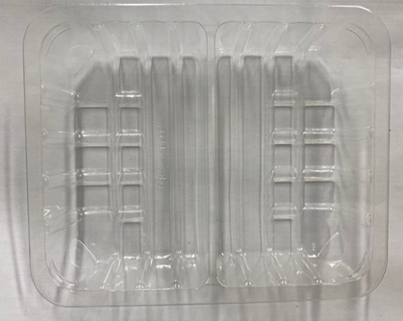 |  |  | 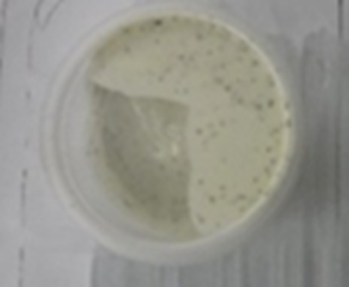 |  |  |  | 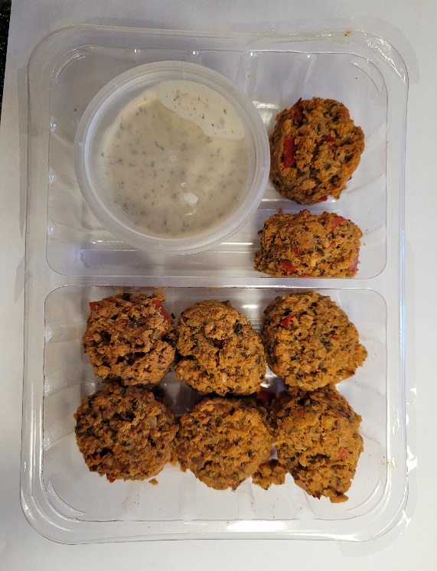

Tray: SK4 - Split (PKESS001-06) |  |  | Yogurt Mint Raita 30% Fat (RMPIQ001-01): (40g) |  |  |  | 8 x Harissa Lamb Kofta (GFF301R) 15g: (120g)
LINE 2: ME410AFV2, 410mm wide x 1000m linear PET Antifog WELD seal (PKRPO001-12) |  |  | Satco 2oz Pots with Lids (PKJEN001-03) |  |  |  | Total Weight: 160g
ALLERGY ALERT: Soya

